Sheet1
No. | Paper Name | Authors | Published Year | Context/Objective | Method/Technology | ML Model | Experimental Configuration (Cấu hình) | Experimental Dataset | Experimental Results | Limitations | Future work | Code/Github | Paper Link
1 | Web application firewall using character-level convolutional neural network | Michiaki Ito Informatics Faculty of Science and Engineering, Hosei University, Japan Hitoshi Iyatomi Hosei Daigaku, Chiyoda-ku, Tokyo, JP | 2018 | WAF is usually expensive as it requires the definition of patterns according to the situation. Furthermore, the system cannot block unknown malicious request. Come up with an efficient machine learning approach to solve these issues. | Tensorflow, Keras, Jupyter Notebook, Pandas, Nvidia GPU and drivers... | Using Character-level convolutional neural network (CLCNN) with very large global max-pooling for extracting the feature of HTTP request and identify it into normal or malicious request. | - performs convolution and max-pooling twice and is connected to one-dimensional output via the full connect layer. - In the second max-pooling, the pooling size is set as the same as the output dimension of the convolution.i.e. convolved each map yields 1 × 1 output with this process and accordingly they produce the vector whose dimension matches the number of immediate feature maps. - Hyper parameters of architecture A is only one; kernel size K. all convolution layer, 1 × K kernel is applied and this parameter is also used in the first global max-pooling. - all convolution layer, 1 × K kernel is applied and this parameter is also used in the first global max-pooling. - All the activation functions: rectified linear unit (ReLU) function. | HTTP DATASET CSIC 2010 dataset - Includes 36,000 normal traffic and over 25,000 malicious traffic. - SQL injection, buffer overflow attack, information gathering. - The minimum, average, and maximum length of the query was 473, 583, and 983 characters, respectively - Preprocess for dataset: + it is difficult to extract useful features of queries because a large amount of escape characters of "%" are included. + performed URL decode for all queries, and encoding again with Unicode; each character included in the character string of the HTTP request is represented by an 8-bit numeric string. + request length of CLCNN was 1000 characters based. We padded with "0" representing null in Unicode for the portion insufficient in length. | The results showed that architecture A had more than 10% better accuracy than architecture B both in the execution speed and the accuracy. Architecture A of a simple configuration achieved equal or higher accuracy than architecture B constructed with reference to Saxe et al, and the execution time of architecture A was shorter than architecture B. | 1. Limited training data: Convolutional Neural Networks (CNNs) require a large amount of training data to achieve high accuracy. However, in the case of web application security, the training data may be limited, leading to reduced accuracy of the model. 2. False positives and false negatives: CNNs may be prone to false positives and false negatives, which can lead to the blocking of legitimate traffic or allowing malicious traffic to pass through. 3. Overhead: Implementing a CNN-based web application firewall (WAF) can result in increased processing overhead, which can affect the performance of the web application. 4. Limited support for complex attacks: CNNs may not be able to detect complex attacks that involve multiple steps or use obfuscation techniques. 5. Limited interpretability: CNNs are often considered to be "black boxes" in terms of how they make decisions, making it difficult to understand how they are working and to debug issues. 6. Limited flexibility: CNN-based WAFs may not be as flexible as rule-based systems, requiring more effort to adapt to new types of attacks or changing environments. | Deep learning approach enables fast, accurate and lowcost WAF system with shallow CLCNN configuration. | https://github.com/rashimo/ChCNN | https://ieeexplore.ieee.org/document/8368694
2 |  |  |  | Context: Web Application Firewall (WAF) is an important security mechanism that prevents attacks on web applications. These attacks can result in the theft of sensitive information, the modification of data, and the complete sabotage of a business's online presence. However, traditional WAFs are limited in their ability to detect and prevent emerging threats, which led to the development of more advanced techniques, such as machine learning. Objective: The objective of the research presented in "Web Application Firewall using Character-level Convolutional Neural Network" is to develop a new type of WAF that utilizes a character-level convolutional neural network (CNN) to improve the detection of web application attacks. The research aims to demonstrate that this new approach can outperform traditional WAFs, especially when it comes to detecting previously unseen, novel attacks. Ultimately, this research seeks to enhance the security of web applications and reduce the risk of cyber attacks. |  |  | 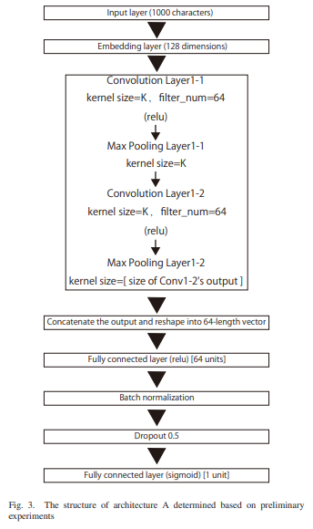 |  | 